Yield Curve
YIELD CURVE
Calculation of Yield Rate

 | Weighted Average Rate
Term | 33 | (Days)
Yield KHR | 0.675261 | %
 | NSS MODEL

Yield Curve(Weighted Average Rate)as at 11/2025
 | KHR | NSS (KHR)
0.019 | 0.84 | 0.43
0.038 | #N/A | 0.50
0.077 | #N/A | 0.63
0.249 | 0.88 | 1.19
0.499 | 1.29 | 1.88
1.000 | 3.44 | 2.92
2.000 | 4.27 | 4.12
3.000 | 4.59 | 4.78
5.000 | 5.25 | 5.31
10.000 | 6.00 | 5.93

 |  |  | For USD curve, please select data and tick USD.
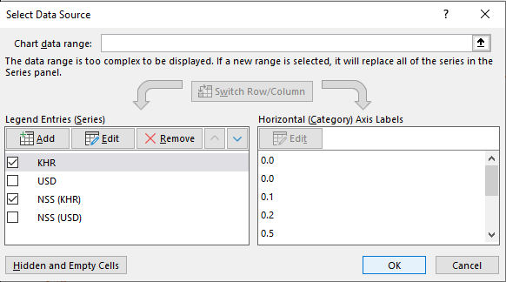

Note: The NCD Rate is for short terms, which are from 7 days to 365 days, while the Government Bond Rate is for long terms, which are from 1 year to 10 years.

